Instructions
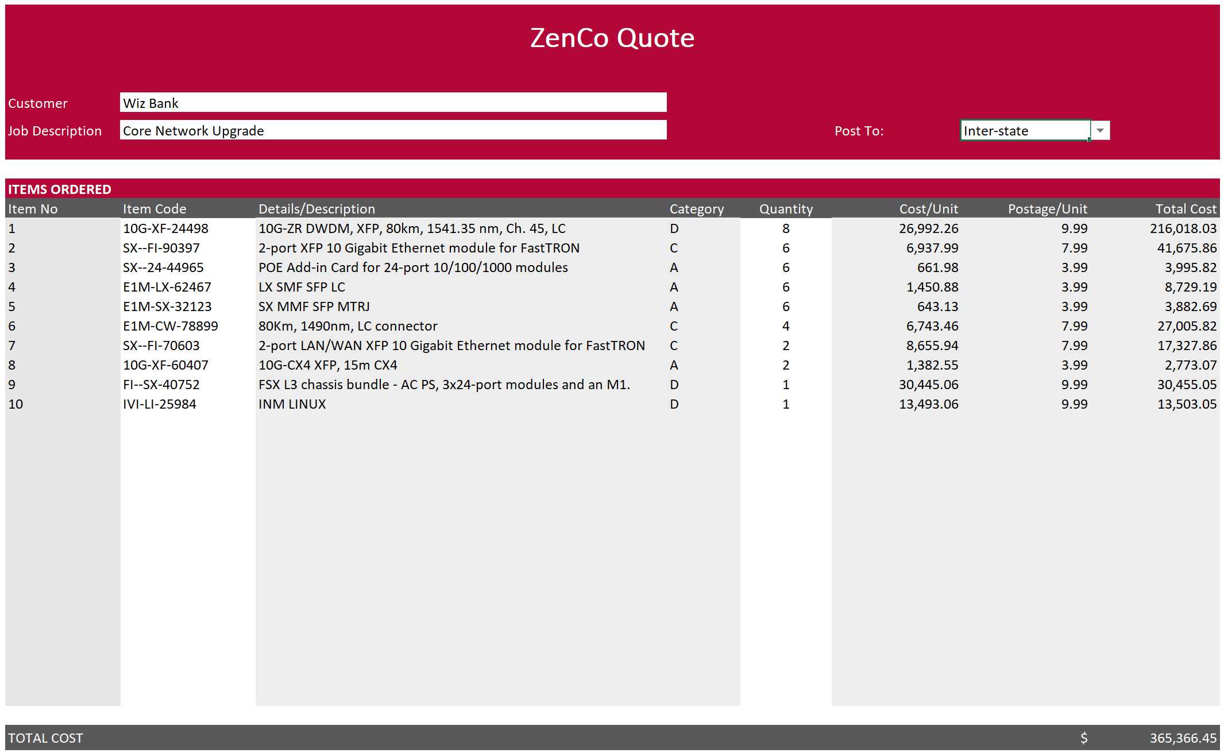

 |  | Excel Skills for Data Analytics and Visualization
 |  | Course 1 — Excel Fundamentals for Data Analysis

 |  | Week 5 Practice Challenge

Instructions
Scenario: You are an intern for Zenco, and have been tasked with managing their inventory database. The inventory shows how many of each item they have in stock and how much
 | they cost. When stock levels fall below the minimum, (shown in P5), they need to re-order. Sometimes the supplier does not have stock and so we indicate it as on backorder,
 | items already on backorder do not need to be ordered again.
The following instructions are to be carried out in the Inventory sheet.

1) | First, assess what items' supply are too low. In I4 use an IF function to determine if the Num in Stock is below the minimum stock level. If it is put a "Y" otherwise leave the cell blank.

2) | See what orders need to be backordered. In J4 create a calculation to check if that item is below minimum stock level and NOT on backorder. If both are true put a "Y" otherwise leave the cell blank. |  | Hint

3) | In H4 calculate the retail price. If it is a Premium item (has Y in the Premium column) add 25% to the cost price, otherwise add 18% to the cost price. |  | Hint

4a) | The reorder quantities table in N9:O12 indicates how many items we need to reorder for each category. In K4 use a nested IF to calculate the reorder quantity. |  | Hint
b) | Being versatile in Excel is optimal. To show this, in L4 solve the same problem but using an IF and a VLOOKUP/XLOOKUP. |  | Hint

5a) | To help make future calculations and formulas easier to understand, name the range N16:N19 Category
b) | Similarly, name the range O15:R15 Post_to
c) | Similarly, name the range O16:R19 Postage

The rest of the instructions are to be carried out in the Quote sheet. This sheet shows a list of items the customer wishes to purchase and how many of each. We need to
complete the rest of the information by looking up the appropriate values in the Inventory sheet.

6) | To help formatting, in C13 we want to automatically number rows that have items. Check if D13>0, if it is add 1 to C12, otherwise leave blank. Copy the formula down to C36.

7a) | The table is hard to read with only the item code present. In E12 use a VLOOKUP to look up the item description for the Item code in the Inventory table. Copy down to E36.
b) | Upon doing this, you notice that where there are no item codes you will get an N/A. Add an IFERROR to the formula to leave the cell blank if an error occurs.

8a) | Furthermore, it would help if the category of the item was also present. In F12 use a VLOOKUP to look up the category for the Item code in the Inventory table. Copy down to F36.
b) | Similarly, some errors result. Add an IFERROR to the formula to leave the cell blank if an error occurs.

9) | In H12 use a VLOOKUP/XLOOKUP to get the retail price for that item from the inventory table, again adjusting the formula to show "" instead of N/A. Copy to H36.

10a) | We now want to return the total cost. In I12 use an INDEX function to get the Postage for Category D in NSW, use the named range Postage for the array and type 4 for the row and 2 for the column.
b) | In I12 modify the formula to use a MATCH to match the Category in F12 into the named range Category to calculate the row.
b) | In I12 modify the formula again to use a second MATCH to match the destination in cell I7 into the named range Post_to to calculate the column.
c) | Management now wants to observe the data for Inter-state. Copy the formula down and change the destination in I7 from NSW to Interstate.

The finished Quote should look something like this:

